Hiearchy View
CLASS: VENTILATION
the intentional introduction of outdoor air into a space. |  | 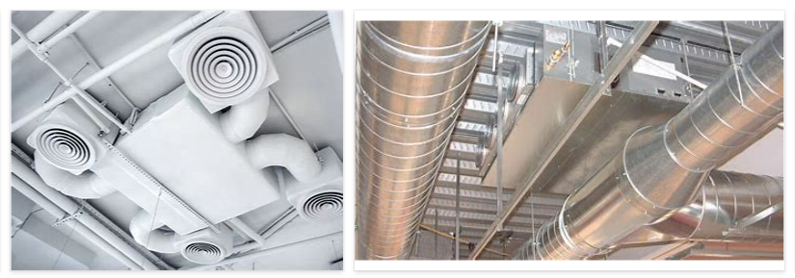
REMOVE | N

PROBLEM_DESC | CAUSE_DESC | REMEDY_DESC
BROKEN/DAMAGED
NOISE
OTHER PROBLEM
OVERHEATING
PESTS
POWER-ELEC
STOPPED/SLOWED/POOR OPS
TEMP-CTRL
VIBRATION
Grand Total

